DashBoard
Dashboard

 | Speed |  | Performance | Testing |  | Risk
0
1
2
0
1
2
0
1
2
0
1
2

 | Shedule and Cost Status |  |  |  | Defect Status
Bull's eyes Chart
 | 1 2 3 4 5 6 7 8 9 10 12 13 14 15
0.85714285714 | 0.78
1 | 0.96
0.83342283321 | 0.88
0.80288461538 | 0.67
0.79923273657 | 0.74
0.8199339207 | 0.93
0.81041257367 | 1.05
0.98138297872 | 0.96
0.95308037536 | 1.04
0.88335704125 | 0.96
0.87824229478 | 0.96
0.93441176471 | 0.96
Defect Column Chart
 | Opened | Fixed | Closed | ReOpend
 | 30 | 15 | 0 | 0
 | 60 | 30 | 20 | 2
 | 75 | 55 | 50 | 5

 | Table
 | Yellow : Not good | 30
 | Green : Good | 40
 | Red : Warnning | 30

Summary-Status
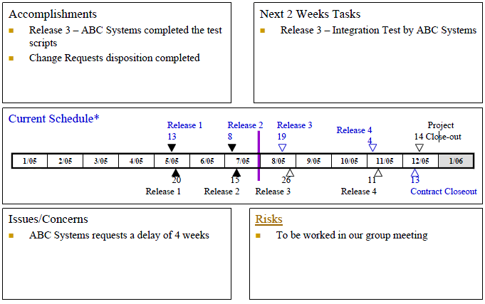
Summary Status

Note : | Accomplishments: Show what project team achieved, such as tasks are completed or change requests disposition completed or ABC system completed the test scripts.
 | Next 2 weeks tasks: Show missions plan for next 2 weeks, such as intergration test by ABC systems
 | Current Schedule: Show release’s milestones of project includes: Completed milestones, customer milestones and ABC systems milestones

 | Completed milestones Customer Milestones ABC Systems milestones
 | Release 1-2: Completed
 | Project Close-out: Milestones Customer requirement
 | Contract closeout: Finished ahead of schedule
 | Issues/Concerns: show issues of ABC system
 | Risks: Show risk of ABC system

MileStone-Status
MileStone-Status

 | Plan | Actual
Inception | 2010-01-01 | 2010-01-02
Elaboration | 2010-01-14 | 2010-01-18
Construction | 2010-01-27 | 2010-02-12
Transition | 2010-05-25
Close-out | 2010-06-18

Note : Cuurent, project is belong to Transition interation. In last interation,Construction, Project lated about a hafl month

Milestone | Plan | Actual
Inception | 2010-01-01 | 2010-01-02
Elaboration | 2010-01-14 | 2010-01-18
Construction | 2010-01-27 | 2010-02-12 | Next
Transition | 2010-05-25
Close-out | 2010-06-18

EV-Status
EV Column Chart
 | BCWS | ACWP | BCWP | EAC
1 | 364 | 400 | 312
2 | 596 | 620 | 596
3 | 931.1 | 880 | 776
4 | 1248 | 1500 | 1002
5 | 1564 | 1700 | 1250
6 | 1816 | 1600 | 1489
7 | 2036 | 1564 | 1650
8 | 2256 | 2300 | 2214
9 | 2451 | 2245 | 2336
10 | 2812 | 2600 | 2484
12 | 3277 | 3000 | 2878
13 | 3400 | 3300 | 3177 | 3300
14 | 3800 |  |  | 3947.1199245
15 | 4200 |  |  | 4362.6062323

Note : | Performance of team development isn't well. Project can lated one week with current performance

Week | 1 | 2 | 3 | 4 | 5 | 6 | 7 | 8 | 9 | 10 | 12 | 13 | 14 | 15
BCWS | 364 | 596 | 931.1 | 1248 | 1564 | 1816 | 2036 | 2256 | 2451 | 2812 | 3277 | 3400 | 3800 | 4200
BCWP | 312 | 596 | 776 | 1002 | 1250 | 1489 | 1650 | 2214 | 2336 | 2484 | 2878 | 3177
ACWP | 400 | 620 | 880 | 1500 | 1700 | 1600 | 1564 | 2300 | 2245 | 2600 | 3000 | 3300

CPI | 0.78 | 0.96 | 0.88 | 0.67 | 0.74 | 0.93 | 1.05 | 0.96 | 1.04 | 0.96 | 0.96 | 0.96
SPI | 0.85714285714 | 1 | 0.83342283321 | 0.80288461538 | 0.79923273657 | 0.8199339207 | 0.81041257367 | 0.98138297872 | 0.95308037536 | 0.88335704125 | 0.87824229478 | 0.93441176471

CV | -88 | -24 | -104 | -498 | -450 | -111 | 86 | -86 | 91 | -116 | -122 | -123
SV | -52 | 0 | -155.1 | -246 | -314 | -327 | -386 | -42 | -115 | -328 | -399 | -223

EAC |  |  |  |  |  |  |  |  |  |  |  | 3300 | 3947.1199245 | 4362.6062323
VAC

Bull's Eyes Chart

 | Note : | Project is behind schedule and above cost

 |  |  |  |  |  |  |  |  |  |  |  |  |  |  | Back

Resource-Status
Resource Status Report

Table of Resource
Headcount of Week # | 1 | 2 | 3 | 4 | 5 | 6 | 7 | 8 | 9 | 10 | 11 | 12 | 13 | 14 | 15
Planned | 2 | 3 | 3 | 3 | 6 | 6 | 9 | 12 | 12 | 12 | 6 | 5 | 3 | 3 | 3
Actual | 2 | 2 | 3 | 3 | 5 | 5 | 8 | 14 | 14 | 14 | 7 | 4 | 4

 | Note : Actual Headcount is increase in compare with Plan Headcount. But Project still lated. So, We can consider about effective team development

Defect-Status
Defect Status
Defect Chart
Defect Column Chart

Note : | This chart show number of defect in each iteration and provide status of defect on each iteration. Beside we can compare each column with other column about number of defect different.
 | Current, the number of defect is too Big to control, Total of defect is about 180, but we only fix completely about 40% .

 | Table of Defect
 | Iteration | Opened | Fixed | Closed | ReOpend
 | 1 | 30 | 15 | 0 | 0
 | 2 | 60 | 30 | 20 | 2
 | 3 | 75 | 55 | 50 | 5

 |  |  |  |  |  | Next:

Function-Status
Status Function Report

Function Status Chart

Note : Current , Team completed about 80% feature in compare with Total feature. This is Fun for Team developer and motivate them

Table of Number Fuction
Week | 1 | 2 | 3 | 4 | 5 | 6 | 7 | 8 | 9 | 10 | 11 | 12 | 13
Total of Feature | 80 | 90 | 90 | 90 | 120 | 150 | 150 | 160 | 160 | 160 | 160 | 160 | 200
Number Feature Left | 80 | 90 | 80 | 60 | 70 | 70 | 30 | 40 | 40 | 25 | 20 | 15 | 40
Number Feature Done | 0 | 0 | 10 | 30 | 50 | 80 | 120 | 120 | 120 | 135 | 140 | 145 | 160

 |  |  |  |  |  |  |  |  |  |  |  |  | Next

Testing-Status
Status Testing Report

Testing Result Chart

Note : Base on data and chart,we can see that Our phase testing is cool. It same same with Lower control limmited.

 | Table Of Number Test Case
Week | 1 | 2 | 3 | 4 | 5 | 6 | 7 | 8 | 9 | 10 | 11 | 12 | 13 | 14 | 15 | 16
Number of Test Case | 0 | 0 | 0 | 0 | 10 | 30 | 40 | 60 | 80 | 100 | 120 | 140 | 160
Number of Test Case Successful | 0 | 0 | 0 | 0 | 8 | 25 | 30 | 50 | 55 | 60 | 70 | 90 | 130

Upper Control Limit ( 99% ) | 0 | 0 | 0 | 0 | 9.9 | 29.7 | 39.6 | 59.4 | 79.2 | 99 | 118.8 | 138.6 | 158.4
Lower Control Limit ( 85% ) | 0 | 0 | 0 | 0 | 7.92 | 24.75 | 29.7 | 49.5 | 54.45 | 59.4 | 69.3 | 89.1 | 128.7

Note :
- Standard of ABC system about test case Successful is about 85% - 99 %
- So, Upper Control Limit 99%
- So, Upper Control Limit 85%

 |  |  |  |  |  |  |  |  |  | Back

Risk-Status
Status Risk Report

Risk Pie Chart
 | Table of Risk
 | Risk Level | Total
 | High | 1
 | Medium | 3
 | Low | 0

 | This chart shows level of risk percent in project. Beside it provide overview about risk that help we evaluate this project on red alert
Note : | We can see percent rate of Level Risk in our project. About 100% risk belong to Medium and High Level .So this is the alert for project with current risk.
 | So, We have to action carefully in next interation.

Risk Report Details :

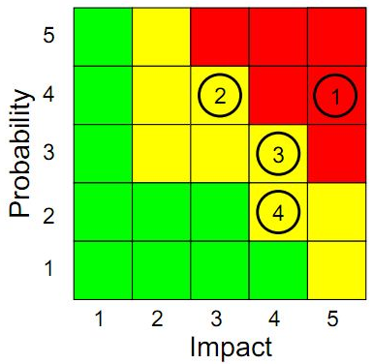
 |  |  |  | Impact | Probability | Score
 |  |  | Note : | Very low | Unlikely | 1
 |  |  |  | Low | Possible | 2
 |  |  | 1) Late Delivery : Business and revenue | Moderate | Likely | 3
 |  |  | 2) Low responsiveness : Late project | High | Imminent | 4
 |  |  | 3) Quality : Business and reputation loss | Very high | Certain | 5
 |  |  | 4) Poor supplier management : Failed project

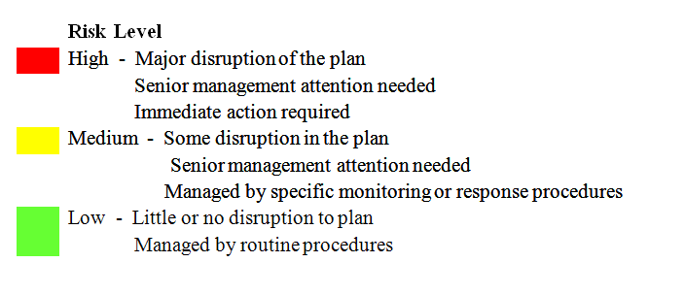
 |  |  |  | Back

